DB2
COMPARE COMPANIES
OVERALL MARKET
COMPANY COST STRUCTURE VISUALIZATION
Follow a Company |  |  |  | Follow a Cost Structure

2011 |  | 2012 |  | 2013 |  | 2014 |  | 2015
ACC Ltd | 27 | ACC Ltd | 26 | ACC Ltd | 29 | ACC Ltd | 29 | ACC Ltd | 30
Ambuja Cement | 25 | Ambuja Cement | 25 | Ambuja Cement | 27 | Ambuja Cement | 27 | Ambuja Cement | 30
Ultratech Cement | 24 | Ultratech Cement | 22 | Ultratech Cement | 22 | Ultratech Cement | 24 | Ultratech Cement | 24
JK Lakshmi Cement | 19 | JK Lakshmi Cement | 20 | JK Lakshmi Cement | 19 | JK Lakshmi Cement | 19 | JK Lakshmi Cement | 18

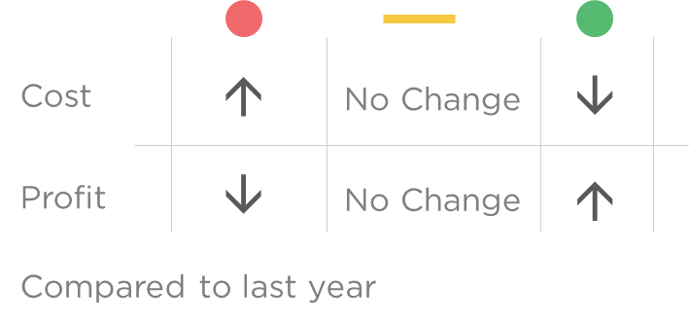
Legends

DB
COMPARE COMPANIES
OVERALL MARKET
COMPANY COST STRUCTURE VISUALIZATION
Pick a Company |  |  |  |  |  | Pick a Company

 | 2011 | 2012 | 2013 | 2014 | 2015 |  | 2011 | 2012 | 2013 | 2014 | 2015
 |  |  |  |  |  | Support | Highlighted
2011 | 18 | 23 | 11 | 23 | 25 | 18 | 23
2012 | 19 | 24 | 9 | 23 | 25 | 19 | 24
2013 | 13 | 22 | 13 | 25 | 27 | 13 | 22
2014 | 14 | 23 | 12 | 24 | 27 | 14 | 23
2015 | 10 | 22 | 11 | 27 | 30 | 10 | 22
2011 | 8 | 30 | 23 | 20 | 19 | 8 | 73
2012 | 12 | 24 | 25 | 19 | 20 | 12 | 68
2013 | 14 | 20 | 26 | 21 | 19 | 14 | 67
2014 | 8 | 21 | 30 | 22 | 19 | 8 | 73
2015 | 10 | 21 | 29 | 22 | 18 | 10 | 72

Pick a Cost |  |  |  |  |  | Pick a Cost
Total Variable Cost | 57 | 56 | 60 | 59 | 60 | Total Variable Cost | 73 | 68 | 67 | 73 | 72
Profit | 18 | 19 | 13 | 14 | 10 | Profit | 8 | 12 | 14 | 8 | 10
Power & Fuel | 23 | 24 | 22 | 23 | 22 | Power & Fuel | 30 | 24 | 20 | 21 | 21
Other Variable Cost | 11 | 9 | 13 | 12 | 11 | Other Variable Cost | 23 | 25 | 26 | 30 | 29
Freight & Forwarding | 23 | 23 | 25 | 24 | 27 | Freight & Forwarding | 20 | 19 | 21 | 22 | 22
Fixed Cost | 25 | 25 | 27 | 27 | 30 | Fixed Cost | 19 | 20 | 19 | 19 | 18

Operating Leverage | 2.39 x | 2.32 x | 3.08 x | 2.93 x | 4.00 x | Operating Leverage | 3.38 x | 2.67 x | 2.36 x | 3.38 x | 2.80 x

Comments |  |  |  |  |  | Comments

